3) Real time queues
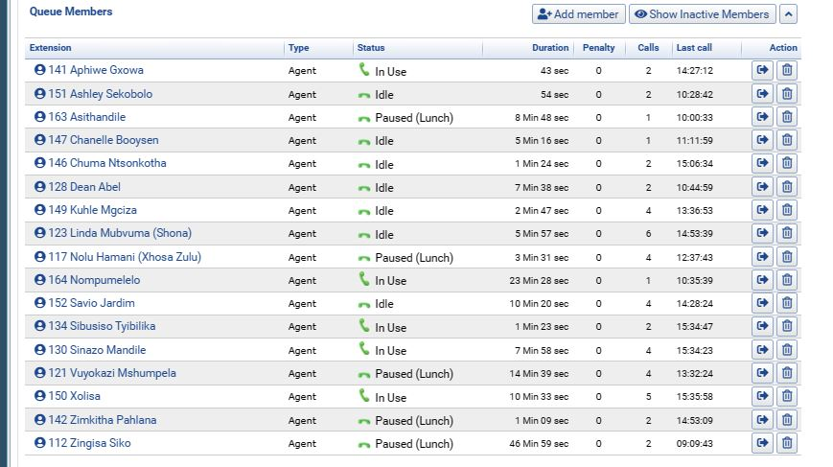
Dashboard Required | Data to be displayed | How frequent will data be updated? | How should data be sorted on the dashboard? | Does the dashbaord require any filters? | Additional requirments/Notes
Real time queue view for the current day | Extention name, Status, Duration, Penalty, Calls, last call time | tbc with developer how close we can get to real time | Ability to sort by: a)Oldest last call time to newest b) Number of calls answered | Filter by Queue Name

Example from Euphoria

4) Queue analytics
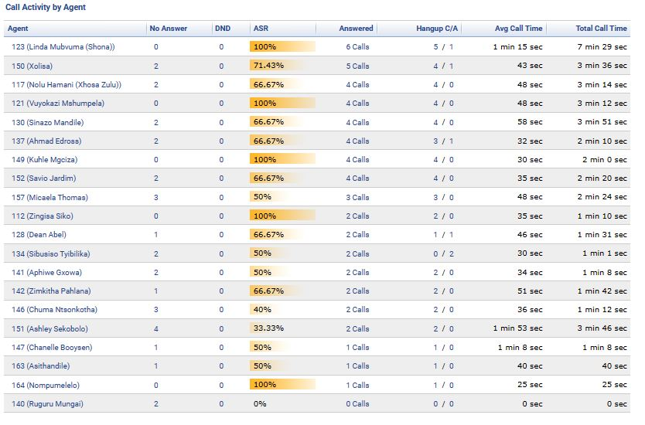
Dashboard Required | Data to be displayed | How frequent will data be updated? | How should data be sorted on the dashboard? | Does the dashbaord require any filters? | Additional requirments/Notes
Queue analytics | a)TABLE 1= Total answered, Total Abandoned, Total Calls, Average wait time, Average call time b) TABLE 2 = Call activity by Agent summary: Agent, No Answer, DND, ASR, Answered, Hangup C/A, Average call time, Total call time | Maybe every 15 to 30 minutes (Confirm with developer) | a) Sort table 2 from most answered calls to least. b) No sorting necessary for Table 1 | a Filter by Queue Name b) Filter by current day or current week | If possible add column for Dropped call % in table which is calculated as Abandoned calls/Total calls

Example of Table 1

Example of Table 2

